IPI DRB Minutes
 |  |  | IBIDEN PHILIPPINES, INC. |  |  |  |  |  |  |  |  |  |  |  |  |  |  |  |  |  | DRB/MRB No. : |  | D-BE-19-04-001
 |  |  | DRB/MRB REPORT MINUTES |  |  |  |  |  |  |  |  |  |  |  |  |  |  |  |  |  | RFC No. : |  | 18-0419-0112

Theme: |  |  |  | DRB Rank5 BE1 Heater break alarm at BLA Reflow #3
Meeting Date : |  |  |  | 22-Apr-19 |  |  |  |  |  |  |  |  |  |  |  | Originated by : |  |  |  | M. Ramores-Awa
Meeting Time: |  |  |  | 1315h-1400h |  |  |  |  |  |  |  |  |  |  |  |  |  |  |  |  | Name /Block
Meeting Place: |  |  |  | BE1 Gowning |  |  |  |  |  |  |  |  |  |  |  | Approved by : |  |  |  | E. Fruelda/ R. Vergara
Chairman: |  |  |  | Eric Vergara |  |  |  |  |  |  |  |  |  |  |  |  |  |  |  | Originator ASM/SM/DGM/GM
Block: |  |  |  | BE1
Attendees : |  |  |  | Manufacturing |  |  | Engineering/NPD |  |  | Facilities/EE |  |  |  |  | QA/QC |  |  |  |  | PPIC/CSE |  |  |  | Other
 |  |  |  | Eric |  |  | Roland |  |  | Mat |  |  |  |  | Jake |  |  |  |  |  | Tromz
 |  |  |  | Maruno |  |  |  |  |  | Jimmy |  |  |  |  | Rona

<1>PROBLEM STATEMENT : (Put another sheet if multiple lots was discovered affected)
DEFECT ISSUE: |  |  |  | heater break alarm |  | # | PRODUCT/MODEL AFFECTED |  |  | PRODUCT FAMILY |  |  | LEDGER NO. |  | PRODUCT SIZE |  | LOT NUMBER |  |  | AFFECTEDLAYER |  | AFFECTED PANEL |  | AFFECTED UNIT OR IF PERCENTAGE
DATE/TIME OCCURRED: |  |  |  | apr.20_0004h |  | 1 | CS Kabylake PCH |  |  | bga13 |  |  | 776-5797 |  | 23x24 |  | P7761770 |  |  | NA |  | 18 ~ 24 |  | 1008units/10.94%
PROCESS DETECTED: |  |  |  | bla |  | 2
PROCESS AFFECTED: |  |  |  | reflow 3 |  | 3
# OF AFFECTED LOTS : |  |  |  | 1lot |  | 4
WHO DETECTED: |  |  |  | Operator |  | 5
WHAT IS THE PROBLEM DIFFERENCE FROM NORMAL TO ABNORMAL SITUATION? CHANGING POINT? DISCUSS THE FLOW. (Indicate 5W and 1H)

THE AGENDA ITEM IS RECURRENCE? |  |  |  |  | RECURRENCE |  |  | NEW |  |  |  | Recurrence Definition |  |  |  | 1. Rootcause is clear happened in same MC and parts 2. Rootcause is not clear but same issue 3. The Action was not proliferated to other process and machine but it was discussed during the meeting
THE AGENDA ITEM IS ESCAPEE? |  |  |  |  | YES |  |  | NO
PROBLEM CATEGORY |  |  |  | MAN |  | MACHINE |  |  | METHOD |  |  | MATERIAL |  |  | MEASUREMENT |  |  |  | ENVIRONMENT |  |  |  | OTHERS
DRB CLOSING RANK |  |  |  | RANK 1 |  | RANK 2 |  |  | RANK 3 |  |  | RANK 4 |  |  | RANK 5 |  |  |  | OTHERS

<2> INVESTIGATION/IDENTIFICATION OF AFFECTED AREA, SITUATION (Define the phenomenon, mode and tendency occurrence,Etc.)
1. April 19,2019_normal PM activity by FAC NOTE: machine shutdown after PM
2. April 20,2019_start-up of machine
 |  | 1st quality check (4half panel)_ no concern
 |  | 1st lot processing_then 2nd magzine affected of heater break alarm
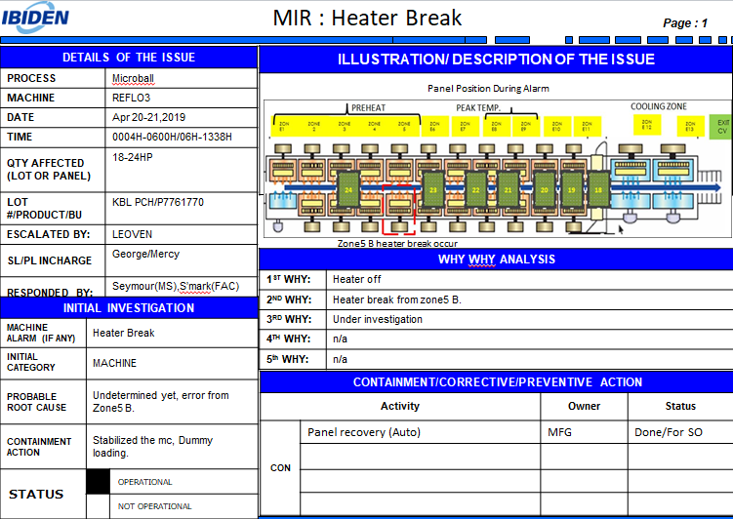
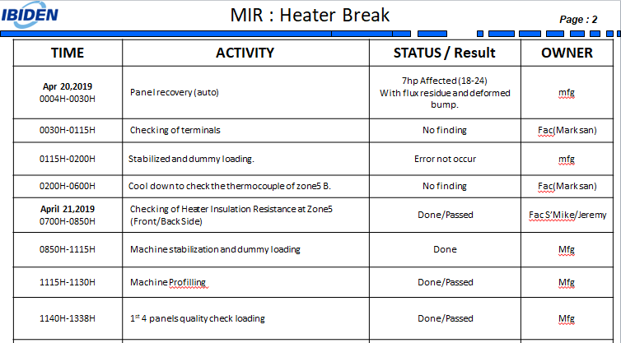
 |  | 7 half panel only inside the reflow machine due to encountered CHOKOTEI at beta machine (thickness checker error at mounter 1)

<3> CONTAINMENT ACTION (Note: Do not disable the interlock system when doing the action) |  |  |  |  |  |  |  |  |  |  |  |  |  |  |  |  | Responsible |  |  | Completion Date |  |  | Status
 |  |  |  |  |  |  |  |  |  |  |  |  |  |  |  |  | Name / Block
1. Replacement of SSR device |  |  |  |  |  |  |  |  |  |  |  |  |  |  |  |  | Mat/Fac |  |  | 2019-04-23 |  |  | Done

<4> DISPOSITION OF AFFECTED LOT AND RISK ASSESSMENT

Assessment Item (# of sample/Method) |  |  |  |  | Responsible Name / Block |  |  | Completion Date |  |  | Assessment Result (No Good/TTL QTY) |  |  |  |  |  | Judgment (OK/NG) |  |  | Final Disposition
1. 100% inspection |  |  |  |  | Eric/Mfg |  |  | 2019-04-22 |  |  | 7/7 No Good |  |  |  |  |  | NG
 |  |  |  |  |  |  |  |  |  |  |  |  |  |  |  |  |  |  |  |  | Proceed |  | Qty : ______________________________
 |  |  |  |  |  |  |  |  |  |  |  |  |  |  |  |  |  |  |  |  | Piece Out |  | Qty : _________ Pnl #: _____________
 |  |  |  |  |  |  |  |  |  |  |  |  |  |  |  |  |  |  |  |  | Sheet Out |  | Qty : ___7H_________________________
 |  |  |  |  |  |  |  |  |  |  |  |  |  |  |  |  |  |  |  |  | Lot Out |  | Qty : ______________________________
 |  |  |  |  |  |  |  |  |  |  |  |  |  |  |  |  |  |  |  |  | SDR
Risk Assessment Category |  |  |  |  |  |  |  |  |  |  |  | Remarks
 |  |  | Low |  | Medium |  |  |  | High |  |  | ________________________

<5>ACTION REQUIRED (Note: Do not disable the interlock system when doing the action)

Action Request |  |  |  |  |  |  |  |  |  |  | Responsible Name / Block |  |  |  |  |  | Completion Date |  |  | Detail Results
1. Check Heater Resistant for Zone5b |  |  |  |  |  |  |  |  |  |  | Matt / Fac |  |  |  |  |  | 2019-04-23 |  |  | Done
2. Wiring Connection for Zone5b |  |  |  |  |  |  |  |  |  |  | Matt / Fac |  |  |  |  |  | 2019-04-23 |  |  | Done
3. SSR Condition Checking for Zone5b (Heater current) |  |  |  |  |  |  |  |  |  |  | Matt / Fac |  |  |  |  |  | 2019-04-23 |  |  | Done
4. SSR Condition checking for Zone 5b (Resistance) |  |  |  |  |  |  |  |  |  |  | Matt / Fac |  |  |  |  |  | 2019-04-23 |  |  | Done

<6> ROOTCAUSE GENERATION/ANALYSIS <WHY ANALYSIS by 5M1E, DESIGN AND CAPABILITY>

 | 1. FACTOR GAP ANALYSIS
 | Problem/Issue |  |  | Gap Type |  | 1st why |  |  |  | 2nd why |  |  |  |  |  | 3rd why |  |  |  |  |  | 4th why |  |  | 5th why
 | Heater breaker Alarm |  |  | Technical
 |  |  |  | Systemic |  | Heater Off |  |  |  | Defective SSR device |  |  |  |  |  | Breakdown Maintenance Checking
 |  |  |  | Detection
 | 2. FINAL ROOT CAUSE and MECHANISM OF AFFECTED ISSUE
 | Defective SSR Device

<7> CORRECTIVE ACTION |  |  |  |  |  |  |  |  |  |  |  |  |  | Responsible |  |  |  | Completion Date |  |  | Status |  |  | Need CN & DR?
 |  |  |  |  |  |  |  |  |  |  |  |  |  | Name / Block |  |  |  |  |  |  |  |  |  | Yes | No
1. Replacement of SSR during overhauling -one time replacement (baseline for the life of SSR since current criteria is every 7yrs replacement) (revision of SOP) |  |  |  |  |  |  |  |  |  |  |  |  |  | Matt / Fac |  |  |  | TBA |  |  | Done |  |  |  | ✓

<8> PREVENTIVE ACTION |  |  |  |  |  |  |  |  |  |  |  |  |  | Responsible |  |  |  | Completion Date |  |  | Status |  |  | Need CN & DR?
 |  |  |  |  |  |  |  |  |  |  |  |  |  | Name / Block |  |  |  |  |  |  |  |  |  | Yes | No
N/A

<9> PROLIFERATION |  |  |  |  |  |  |  |  |  |  |  |  |  |  |  |  | Responsible |  |  | Completion |  |  | Status
 |  |  |  |  |  |  |  |  |  |  |  |  |  |  |  |  | Name / Sign |  |  | Date
Product |  |  | Block | Process/line |  | Machine |  | Proliferate Item
 |  |  |  |  |  |  |  | 1
 |  |  |  |  |  |  |  | 2
<10>AMOUNT OF LOSS . The total sum $399.87
Product |  |  |  |  |  | Unit Qty |  |  |  |  |  |  |  | Amount of Loss |  |  |  |  |  |  | Remarks
CS Kabylake PCH |  |  |  |  |  | 1008 |  |  |  |  |  |  |  | $399.87

<11> CLOSING APPROVAL (The approver person in charge should put details of the validation and closing confirmation result)
The Validation activity |  |  |  |  |  |  |  |  |  |  |  |  |  |  |  |  |  | Closing Approver |  |  |  |  | Closing Date

 |  |  |  |  |  |  |  |  |  |  |  |  |  |  |  |  |  |  |  |  |  |  |  |  |  | QA-SCAR-MRB-02-00-01 Rev. 11

